Sheet1
PIONEER SERVICES
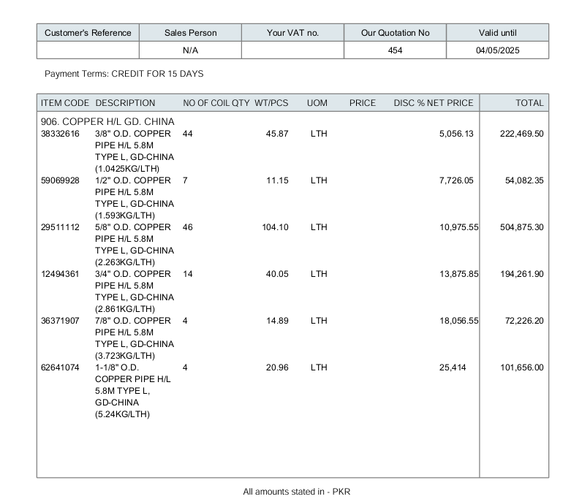





M/S Delite Engineering |  |  |  |  | 29-Apr-25

PO # 1324

Att: Mr. Irfan

PURCHASE ORDER

Supply of GD Copper pipe for the project State Life Building Karachi
S No. | D e s c r i p t i o n | Qty | Unit | Rate | Amount
 | Brand: Golden Dragon
1 | Supply of Copper pipe 3/8" Dia | 44 | Len | 5,056.1 | 222,470 | 821 | 43.210526316
2 | Supply of Copper pipe 1/2" Dia | 7 | Len | 7,726.1 | 54,082 | 134 | 7.0526315789
3 | Supply of Copper pipe 5/8" Dia | 46 | Len | 10,975.6 | 504,875 | 840 | 44.210526316
4 | Supply of Copper pipe 3/4" Dia | 14 | Len | 13,875.9 | 194,262 | 257 | 13.526315789
3 | Supply of Copper pipe 7/8" Dia | 4 | Len | 18,056.6 | 72,226
6 | Supply of Copper pipe 1-1/8" Dia | 4 | Len | 25,414.0 | 101,656 | 63 | 3.3157894737
 |  | TOTAL: |  |  | 1,149,571

Note: This PO is subject to the consultant's approval.

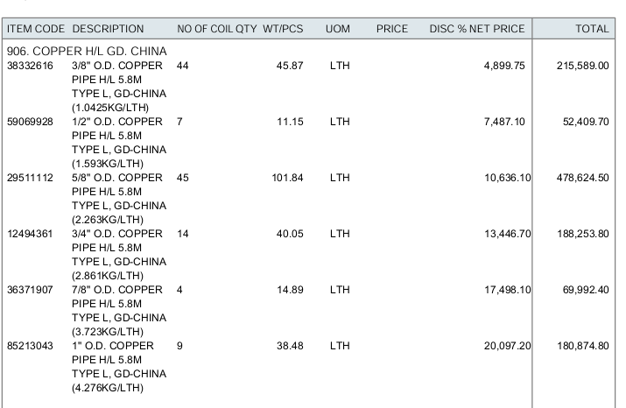
for Pioneer Services

Sheet2
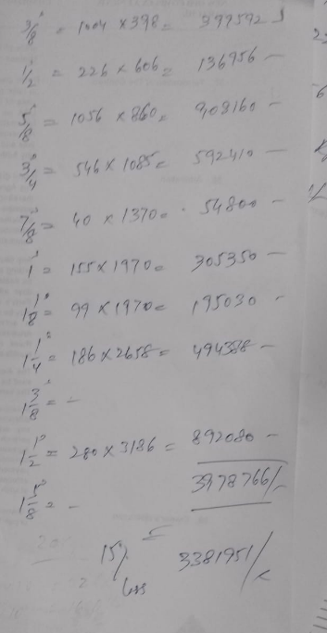
CRESCENT

Supply of Copper L-Type Mueller USA 3/8" Dia | 1004 | Rft | 243 | 243,638 |  |  | 4570 | 228.5 | 269.63 | 242.667 | 26.963
Supply of Copper L-Type Mueller USA 1/2" Dia | 226 | Rft | 383 | 86,524 |  |  | 7210 | 360.5 | 425.39 | 382.851
Supply of Copper L-Type Mueller USA 5/8" Dia | 1056 | Rft | 553 | 584,287 |  |  | 10420 | 521 | 614.78 | 553.302
Supply of Copper L-Type Mueller USA 3/4" Dia | 546 | Rft | 703 | 383,572 |  |  | 13230 | 661.5 | 780.57 | 702.513
Supply of Copper L-Type Mueller USA 7/8" Dia | 40 | Rft | 864 | 34,557 |  |  | 16270 | 813.5 | 959.93 | 863.937
Supply of Copper L-Type Mueller USA 1" Dia | 155 | Rft | 931 | 144,243 |  |  | 20680 | 1034 | 930.6
Supply of Copper L-Type Mueller USA 1-1/8" Dia | 99 | Rft | 1,230 | 121,750 |  |  | 23160 | 1158 | 1366.44 | 1229.796
Supply of Copper L-Type Mueller USA 1-1/4" Dia | 186 | Rft | 1,281 | 238,266 |  |  | 28460 | 1423 | 1280.7
Supply of Copper L-Type Mueller USA 1-3/8" Dia | 0 | Rft | 1,668 | 0 |  |  | 31420 | 1571 | 1853.78 | 1668.402
Supply of Copper L-Type Mueller USA 1-1/2" Dia | 280 | Rft | 1,742 | 487,760 |  |  | 38700 | 1935 | 1741.5
Supply of Copper L-Type Mueller USA 1-5/8" Dia | 0 | Rft | 1,963 | 0 |  |  | 43630 | 2181.5 | 1963.35
 |  |  |  | 2,324,597

CRESCENT

Supply of Copper L-Type 1/4" Dia | 0 | Len | 2,910 | 0
Supply of Copper L-Type 3/8" Dia | 17 | Len | 4,570 | 77,690 | 86,830.00 | 102,459.40 | 92,213.46 |  | 0.85 | 16.15
Supply of Copper L-Type 1/2" Dia | 4 | Len | 7,210 | 28,840 | 136,990.00 | 161,648.20 | 145,483.38 |  | 0.2 | 3.8
Supply of Copper L-Type 5/8" Dia | 18 | Len | 10,420 | 187,560 | 197,980.00 | 233,616.40 | 210,254.76 |  | 0.9 | 17.1
Supply of Copper L-Type 3/4" Dia | 15 | Len | 13,230 | 198,450 | 251,370.00 | 296,616.60 | 266,954.94 |  | 0.75 | 14.25
Supply of Copper L-Type 7/8" Dia |  | Len | 16,270 | 0 | 309,130.00 | 364,773.40 | 328,296.06 |  | 0 | 0
Supply of Copper L-Type 1" Dia | 2 | Len | 17,525 | 35,050 | 332,975.00 | 392,910.50 | 353,619.45 |  | 0.1 | 1.9
Supply of Copper L-Type 1-1/8" Dia | 1 | Len | 23,160 | 23,160 | 440,040.00 | 519,247.20 | 467,322.48 |  | 0.05 | 0.95
Supply of Copper L-Type 1-1/4" Dia | 2 | Len | 24,119 | 48,238 | 458,261.00 | 540,747.98 | 486,673.18 |  | 0.1 | 1.9
Supply of Copper L-Type 1-3/8" Dia |  | Len | 31,420 | 0 | 596,980.00 | 704,436.40 | 633,992.76 |  | 0 | 0
Supply of Copper L-Type 1-1/2" Dia | 11 | Len | 32,797 | 360,767 | 623,143.00 | 735,308.74 | 661,777.87 |  | 0.55 | 10.45
Supply of Copper L-Type 1-5/8" Dia |  | Len | 41,100 | 0 | 780,900.00 | 921,462.00 | 829,315.80 |  | 0 | 0
Net Amount |  |  |  | 959,755
Discount 10% |  |  |  | 95,976
After discount |  |  |  | 863,780
GST 18% |  |  |  | 155,480 |  |  | 20680 | 17525.423729
Grand Total amount |  |  |  | 1,019,260 |  |  | 28460 | 24118.644068
 |  |  |  |  |  |  | 38700 | 32796.610169

CRESCENT
 |  |  | Crescent
Supply of Copper pipe 3/8" Dia | 43 | Len | 4,570 | 196,510
Supply of Copper pipe 1/2" Dia | 7 | Len | 7,210 | 50,470
Supply of Copper pipe 5/8" Dia | 44 | Len | 10,420 | 458,480
Supply of Copper pipe 7/8" Dia | 3 | Len | 16,270 | 48,810
Supply of Copper pipe 3/4" Dia | 14 | Len | 13,230 | 185,220
Supply of Copper pipe 01" Dia | 8 | Len | 19,470 | 155,760
Supply of Copper pipe 1-1/8" Dia | 3 | Len | 23,160 | 69,480 |  |  | 20680 | 17525.423729 | 20680
Supply of Copper pipe 1-1/4" Dia | 9 | Len | 26,800 | 241,200 |  |  | 28460 | 24118.644068 | 28460
Supply of Copper pipe 1-1/2" Dia | 5 | Len | 36,440 | 182,200 |  |  | 38700 | 32796.610169 | 38700
Net Amount |  |  |  | 1,588,130
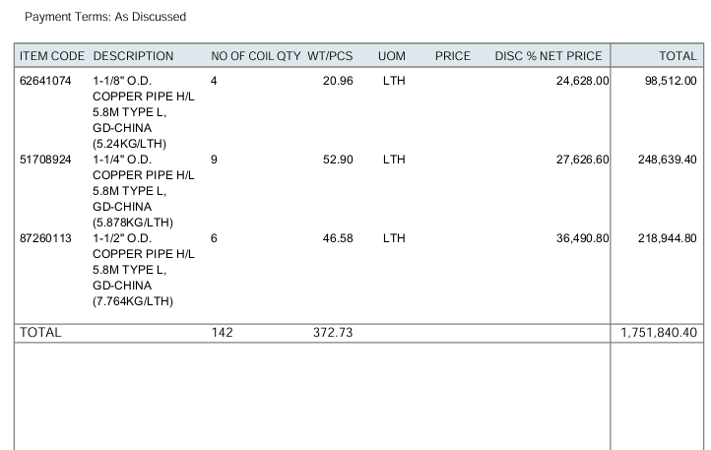
Discount 10% |  |  |  | 158,813
After discount |  |  |  | 1,429,317
GST 18% |  |  |  | 257,277
Grand Total amount |  |  |  | 1,686,594

DELITE

Supply of Copper pipe 3/8" Dia | 44 | Len | 4,900 | 215,589
Supply of Copper pipe 1/2" Dia | 7 | Len | 7,487 | 52,410
Supply of Copper pipe 5/8" Dia | 45 | Len | 10,636 | 478,625
Supply of Copper pipe 7/8" Dia | 4 | Len | 17,498 | 69,992
Supply of Copper pipe 3/4" Dia | 14 | Len | 13,447 | 188,254
Supply of Copper pipe 01" Dia | 9 | Len | 20,097 | 180,875
Supply of Copper pipe 1-1/8" Dia | 4 | Len | 24,628 | 98,512
Supply of Copper pipe 1-1/4" Dia | 9 | Len | 27,627 | 248,639
Supply of Copper pipe 1-1/2" Dia | 6 | Len | 36,491 | 218,945
Net Amount |  |  |  | 1,751,840
Discount 10% |  |  |  | 175,184
After discount |  |  |  | 1,576,656
GST 18% |  |  |  | 283,798
Grand Total amount |  |  |  | 1,860,455

